Sheet1
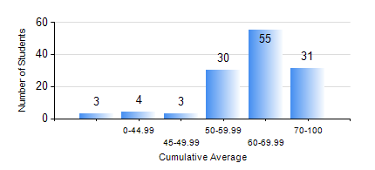
 |  |  | KWAME NKRUMAH UNIVERSITY OF SCIENCE AND TECHNOLOGY, KUMASI Department of Chemical Engineering

 |  |  | BSC. CHEMICAL ENG.

 |  |  | COMPREHENSIVE RECORD OF EXAMINATION RESULTS

 |  |  | RESULTS OF YEAR 1 SECOND SEMESTER, 2018/2019 ACADEMIC YEAR

 | Sn | Course Code |  | Course Name | Credit Hours | Min. Mark | Max. Mark | Avg. Mark | Std. Dev. | No. Passed | No. Trailed | No. (Df) | No. (I) | No. (I*) | No. Tagged(I,I*,Df) | Total
 | 0. |  |  |  |  |  |  | 0 | 0 | 0 | 0 | 0 | 0 | 0 | 0 | 6
 | 1. | CHE 156 |  | PHYSICAL CHEMISTRY FOR ENGINEERS | 2 | 0 | 93 | 66 | 14.94 | 118 | 2 | 0 | 0 | 0 | 0 | 120
 | 2. | CHE 158 |  | INTRODUCTION TO INFORMATION TECHNOLOGY | 2 | 0 | 89 | 65 | 12.94 | 116 | 4 | 0 | 0 | 0 | 0 | 120
 | 3. | EE 152 |  | BASIC ELECTRONICS | 2 | 0 | 81 | 59 | 10.36 | 119 | 1 | 0 | 0 | 0 | 0 | 120
 | 4. | ENGL 158 |  | COMMUNICATION SKILLS II | 2 | 0 | 78 | 66 | 9.39 | 118 | 2 | 0 | 0 | 0 | 0 | 120
 | 5. | MATH 152 |  | CALCULUS WITH ANALYSIS | 4 | 0 | 83 | 57 | 11.16 | 119 | 1 | 0 | 0 | 0 | 0 | 120
 | 6. | ME 162 |  | BASIC MECHANICS | 3 | 0 | 93 | 73 | 12.61 | 118 | 2 | 0 | 0 | 0 | 0 | 120
 | 7. | PHY 170 |  | GENERAL PHYSICS | 3 | 0 | 81 | 61 | 9.65 | 117 | 3 | 0 | 0 | 0 | 0 | 120

